How to use
HOW TO USE THE CALCULATOR

**If there is a discrepency between this calculator and the acrobatics catalogue, the catalogue will always prevail**

Technical requirements
 | You need the Microsoft Excel software with version 2008 or later to use the calculator with all its functionalities

To calculate the degree of difficulty of your acrobatics (see screenshots below):
 | Step 1: Go to the tab called "ACRO CALCULATOR"
 | Step 2: For each acro that you need to calculate, you have to first select the acro group using the dropdown menu accessible when you click on the cell and then on the little arrow (see screenshot step 2). Options include: ACRO-A, ACRO-B, ACRO-C, ACRO-P.
 | Step 3: The minimal required components to be filled will be colored in dark green, and the optional ones in light green. The components that are not applicable with the acro group will be shown in gray.
 | Step 4: Select one of the code options for each component included in your acro (green cells) using the drop down menu (see screenshot step 4). Note that only the valid codes for the acro group selected will be presented in the drop down menu.
 | Step 4a: Correct any errors or warnings (see list below). Rule errors will be highlighted with red font, and compatibility errors will be highlighted with orange font.
 | Step 5: Once everything is filled and is exempt of important errors, the degree of difficulty will be calculated automatically.
 | Step 6: You can copy-paste the full code on your coach card of desired
 | Note that the calculator is protected and you can only modify the cells related to the component codes and the acro-type.

Requirements that will automatically be captured by the system. If not met, the calculator will require corrections:
 | 1. If the acro group has not be selected first
 | 2. If the minimal required codes for the acro type have not been filled (colored in dark green)
 | 3. If one or more codes are not among the allowed possibilities for the acro group selected (mismatch)
 | 4. If position 2 is the same code as position 1
 | 5. If the bonuses entered cannot be declared together
 | * Note that acros also have other restrictions. They may be invalid for other reasons than the ones shown by this calculator. Please refer to the catalogue for all details.

Warning(s) that will automatically be captured by the system. If not met, the calculator will display a message:
 | 1. If one of the acro does not meet the rule in appendix 3,4 and 5. : " acrobatics must not be repeated in the same routine". See clarification about that rule in the acrobatics guide.
 | 2. If there is an incompatibility with some components used together. Please refer to the catalogue for full details if you get this warning.
 | *Note that acros also have other incompatibilities than the ones shown by this calculator. Please refer to the catalogue for all details.

STEP 1

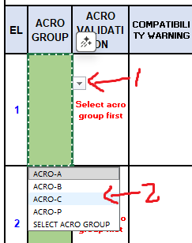
STEP 2

STEP 3

STEP 4

STEP 5

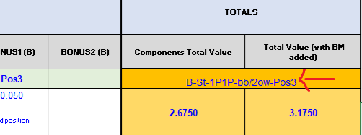
STEP 6

 |  | 2bb

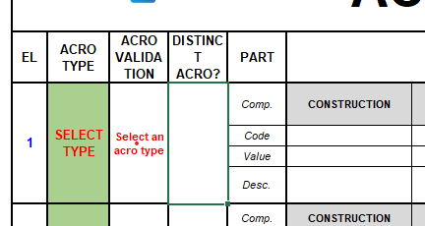
REQUIREMENTS AND VALIDATION MESSAGES (ASKING FOR CORRECTIONS)

 |  |  | MISSING ACRO GROUP

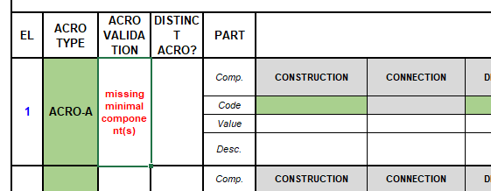
 |  |  |  |  | MISSING MINIMAL COMPONENT(S)

 |  |  |  |  |  |  | CODE(S) MISMATCH WITH ACRO GROUP

 |  |  |  |  |  |  |  | POSITION 1 & 2 ARE THE SAME

 |  |  |  |  |  |  |  |  |  | 2 bonus incompatible

 |  |  |  |  |  | SAME ACRO RULE VIOLATION

 |  |  |  |  |  |  |  |  | INCOMPATIBILITY RULE WARNING

 |  |  |  | 2bb

